16. pOH vs. pH
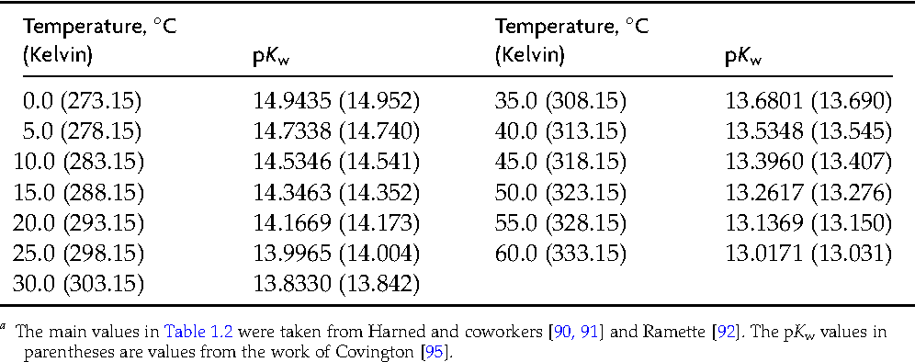
Constant pH of 7.0
Temperature (°C) | pKw | pH | pOH
0.0 | 14.94 | 7.00 | 7.94
5.0 | 14.73 | 7.00 | 7.73
10.0 | 14.53 | 7.00 | 7.53
15.0 | 14.35 | 7.00 | 7.35
20.0 | 14.17 | 7.00 | 7.17
25.0 | 14.00 | 7.00 | 7.00
30.0 | 13.83 | 7.00 | 6.83
35.0 | 13.68 | 7.00 | 6.68
40.0 | 13.53 | 7.00 | 6.53

Constant pH of 7.5
Temperature (°C) | pKw | pH | pOH
0.0 | 14.94 | 7.50 | 7.44
5.0 | 14.73 | 7.50 | 7.23
10.0 | 14.53 | 7.50 | 7.03
15.0 | 14.35 | 7.50 | 6.85
20.0 | 14.17 | 7.50 | 6.67
25.0 | 14.00 | 7.50 | 6.50
30.0 | 13.83 | 7.50 | 6.33
35.0 | 13.68 | 7.50 | 6.18
40.0 | 13.53 | 7.50 | 6.03

Constant pOH of 7.5 |  |  |  | Constant pOH of 7.0 |  |  |  | Constant pOH of 6.5 |  |  |  | Constant pOH (vs. pH 6.5 at 22° C) |  |  |  | Good idea!
Temperature (°C) | pKw | pH | pOH | Temperature (°C) | pKw | pH | pOH | Temperature (°C) | pKw | pH | pOH | Temperature (°C) | pKw | pH | pOH
0.0 | 14.94 | 7.44 | 7.50 | 0.0 | 14.94 | 7.94 | 7.00 | 0.0 | 14.94 | 8.44 | 6.50 | 0.0 | 14.94 | 7.34 | 7.60
5.0 | 14.73 | 7.23 | 7.50 | 5.0 | 14.73 | 7.73 | 7.00 | 5.0 | 14.73 | 8.23 | 6.50 | 5.0 | 14.73 | 7.13 | 7.60
10.0 | 14.53 | 7.03 | 7.50 | 10.0 | 14.53 | 7.53 | 7.00 | 10.0 | 14.53 | 8.03 | 6.50 | 10.0 | 14.53 | 6.93 | 7.60
15.0 | 14.35 | 6.85 | 7.50 | 15.0 | 14.35 | 7.35 | 7.00 | 15.0 | 14.35 | 7.85 | 6.50 | 15.0 | 14.35 | 6.75 | 7.60
20.0 | 14.17 | 6.67 | 7.50 | 20.0 | 14.17 | 7.17 | 7.00 | 20.0 | 14.17 | 7.67 | 6.50 | 20.0 | 14.17 | 6.57 | 7.60
25.0 | 14.00 | 6.50 | 7.50 | 25.0 | 14.00 | 7.00 | 7.00 | 25.0 | 14.00 | 7.50 | 6.50 | 22.0 | 14.10 | 6.50 | 7.60
30.0 | 13.83 | 6.33 | 7.50 | 30.0 | 13.83 | 6.83 | 7.00 | 30.0 | 13.83 | 7.33 | 6.50 | 25.0 | 14.00 | 6.40 | 7.60
35.0 | 13.68 | 6.18 | 7.50 | 35.0 | 13.68 | 6.68 | 7.00 | 35.0 | 13.68 | 7.18 | 6.50 | 30.0 | 13.83 | 6.23 | 7.60
40.0 | 13.53 | 6.03 | 7.50 | 40.0 | 13.53 | 6.53 | 7.00 | 40.0 | 13.53 | 7.03 | 6.50 | 35.0 | 13.68 | 6.08 | 7.60
 |  |  |  |  |  |  |  |  |  |  |  | 40.0 | 13.53 | 5.93 | 7.60
Neutral pH
Temperature (°C) | pKw | pH | pOH |  |  |  |  |  |  |  |  | Constant pH of 6.5 (relative to 22° C) |  |  |  | Bad idea!
0.0 | 14.94 | 7.47 | 7.47 |  |  |  |  |  |  |  |  | Temperature (°C) | pKw | pH | pOH
5.0 | 14.73 | 7.37 | 7.37 |  |  |  |  |  |  |  |  | 0.0 | 14.94 | 6.50 | 8.44
10.0 | 14.53 | 7.27 | 7.27 |  |  |  |  |  |  |  |  | 5.0 | 14.73 | 6.50 | 8.23
15.0 | 14.35 | 7.18 | 7.18 |  |  |  |  |  |  |  |  | 10.0 | 14.53 | 6.50 | 8.03
20.0 | 14.17 | 7.09 | 7.09 |  |  |  |  |  |  |  |  | 15.0 | 14.35 | 6.50 | 7.85
25.0 | 14.00 | 7.00 | 7.00 |  |  |  |  |  |  |  |  | 20.0 | 14.17 | 6.50 | 7.67
30.0 | 13.83 | 6.92 | 6.92 |  |  |  |  |  |  |  |  | 22.0 | 14.10 | 6.50 | 7.60
35.0 | 13.68 | 6.84 | 6.84 |  |  |  |  |  |  |  |  | 25.0 | 14.00 | 6.50 | 7.50
40.0 | 13.53 | 6.77 | 6.77 |  |  |  |  |  |  |  |  | 30.0 | 13.83 | 6.50 | 7.33
 |  |  |  |  |  |  |  |  |  |  |  | 35.0 | 13.68 | 6.50 | 7.18
 |  |  |  |  |  |  |  |  |  |  |  | 40.0 | 13.53 | 6.50 | 7.03

